Normalization
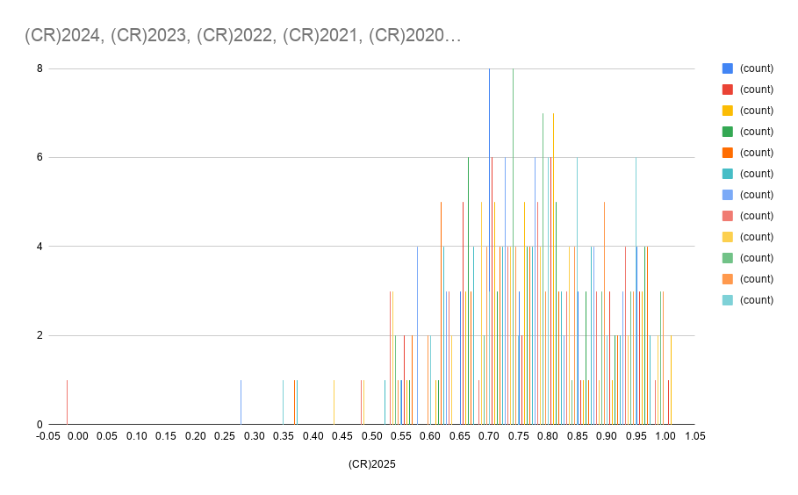
 | (CR)2025 | (CR)2024 | (CR)2023 | (CR)2022 | (CR)2021 | (CR)2020 | (CR)2019 | (CR)2018 | (CR)2017 | (CR)2016 | (CR)2015 | (CR)2014 | (CR)2013
Adani Ports and Special Economic Zone Ltd | 0.6883852691 | 0.7337110482 | 0.8158640227 | 0.8866855524 | 0.9376770538 | 0.9801699717 | 0.8328611898 | 0.5580736544 | 0.9490084986 | 0.6855524079 | 0.7875354108 | 0.9433427762 | 0.9121813031
Asian Paints Ltd | 0.9745042493 | 0.9830028329 | 0.9745042493 | 1 | 0.9915014164 | 0.9235127479 | 0.8498583569 | 0.8725212465 | 0.940509915 | 0.9490084986 | 0.8640226629 | 0.8526912181 | 0.821529745
AXIS Bank Ltd | 0.7518413598 | 0.7487252125 | 0.7456090652 | 0.7464589235 | 0.747592068 | 0.7441926346 | 0.7407932011 | 0.7433427762 | 0.7436260623 | 0.7461756374 | 0.745325779 | 0.7458923513 | 0.7555240793
Bajaj Finserv Ltd | 0.7847025496 | 0.9716713881 | 0.9830028329 | 0.9886685552 | 0.9858356941 | 0.9773371105 | 0.9631728045 | 0.8696883853 | 0.7620396601 | 0.8186968839 | 0.7223796034 | 0.6798866856 | 0.6827195467
Bajaj Finance Ltd | 0.790368272 | 0.7847025496 | 0.7818696884 | 0.7875354108 | 0.790368272 | 0.7818696884 | 0.7677053824 | 0.9036827195 | 0.8725212465 | 0.8781869688 | 0.8526912181 | 0.7252124646 | 0.7620396601
Bharat Electronics Ltd | 0.9320113314 | 0.8725212465 | 0.8470254958 | 0.8271954674 | 0.8328611898 | 0.8470254958 | 0.8640226629 | 0.8441926346 | 0.8895184136 | 0.9631728045 | 0.9971671388 | 0.9603399433 | 0.9206798867
Bharti Airtel Ltd | 0.5382436261 | 0.552407932 | 0.566572238 | 0.5637393768 | 0.5722379603 | 0.597733711 | 0.5325779037 | 0.5552407932 | 0.5155807365 | 0.5439093484 | 0.5269121813 | 0.5439093484 | 0.5609065156
HCL Technologies Ltd | 0.9376770538 | 0.8271954674 | 0.8583569405 | 0.8413597734 | 0.8640226629 | 0.8923512748 | 0.88101983 | 0.8781869688 | 0.9065155807 | 0.8470254958 | 0.9093484419 | 0.9745042493 | 0.9121813031
HDFC Bank Ltd | 0.7280453258 | 0.7422096317 | 0.6940509915 | 0.6940509915 | 0.6883852691 | 0.6883852691 | 0.7053824363 | 0.7053824363 | 0.6912181303 | 0.6827195467 | 0.6855524079 | 0.6968838527 | 0.6770538244
Hindustan Unilever Ltd | 0.8101983003 | 0.9036827195 | 0.8328611898 | 0.8243626062 | 0.7960339943 | 0.8073654391 | 0.821529745 | 0.8045325779 | 0.8073654391 | 0.8470254958 | 0.7393767705 | 0.730878187 | 0.7195467422
ICICI Bank Ltd | 0.716713881 | 0.7138810198 | 0.7195467422 | 0.7195467422 | 0.7110481586 | 0.7280453258 | 0.7393767705 | 0.7507082153 | 0.7620396601 | 0.7847025496 | 0.790368272 | 0.776203966 | 0.776203966
Infosys Ltd | 0.9235127479 | 0.9121813031 | 0.9461756374 | 1 | 0.8470254958 | 0.8243626062 | 0.7620396601 | 0.5609065156 | 0.4815864023 | 0.4589235127 | 0.7025495751 | 0.552407932 | 0.3314447592
ITC Ltd | 0.6997167139 | 0.716713881 | 0.7478753541 | 0.7705382436 | 0.6402266289 | 0.3966005666 | 0.6685552408 | 0.7592067989 | 0.5212464589 | 0.5099150142 | 0.9716713881 | 0.9716713881 | 0.9461756374
Kotak Mahindra Bank Ltd | 0.8461756374 | 0.8169971671 | 0.8218130312 | 0.8195467422 | 0.8634560907 | 0.7787535411 | 0.8586402266 | 0.7917847025 | 0.7892351275 | 0.7861189802 | 0.7711048159 | 0.8062322946 | 0.7994334278
Larsen & Toubro Ltd | 0.776203966 | 0.7818696884 | 0.821529745 | 0.8045325779 | 0.835694051 | 0.790368272 | 0.7875354108 | 0.7875354108 | 0.8186968839 | 0.790368272 | 0.7790368272 | 0.7875354108 | 0.8300283286
Mahindra & Mahindra Ltd | 0.8300283286 | 0.8016997167 | 0.7988668555 | 0.8130311615 | 0.8300283286 | 0.7705382436 | 0.7677053824 | 0.7733711048 | 0.7790368272 | 0.7733711048 | 0.7677053824 | 0.8413597734 | 0.8016997167
Maruti Suzuki India Ltd | 0.7082152975 | 0.6798866856 | 0.597733711 | 0.7138810198 | 0.7592067989 | 0.6458923513 | 0.6798866856 | 0.5779036827 | 0.6203966006 | 0.6373937677 | 0.7082152975 | 0.9348441926 | 0.8866855524
NTPC Ltd | 0.7365439093 | 0.7053824363 | 0.6968838527 | 0.6912181303 | 0.6968838527 | 0.7110481586 | 0.6203966006 | 0.716713881 | 0.6430594901 | 0.6742209632 | 0.7620396601 | 0.8583569405 | 0.9093484419
Power Grid Corporation of India Ltd | 0.7110481586 | 0.6685552408 | 0.6912181303 | 0.6402266289 | 0.6855524079 | 0.6288951841 | 0.6062322946 | 0.6345609065 | 0.5382436261 | 0.5240793201 | 0.5439093484 | 0.5722379603 | 0.566572238
Reliance Industries Ltd | 0.7450424929 | 0.7677053824 | 0.7365439093 | 0.7507082153 | 0.8130311615 | 0.611898017 | 0.6402266289 | 0.6005665722 | 0.6090651558 | 0.6288951841 | 0.7138810198 | 0.8045325779 | 0.8923512748
State Bank of India | 0.6898016997 | 0.7273087819 | 0.7479320113 | 0.7581303116 | 0.6973654391 | 0.6337677054 | 0.6284135977 | 0.6111614731 | 0.7703966006 | 0.711388102 | 0.8443909348 | 0.8974220963 | 0.8418130312
Sun Pharmaceutical Industries Ltd | 0.7478753541 | 0.8413597734 | 1 | 0.9886685552 | 0.9688385269 | 0.9943342776 | 0.940509915 | 0.8838526912 | 0.954674221 | 0.9206798867 | 0.9376770538 | 0.6827195467 | 0.5014164306
Tata Motors Ltd | 0.7053824363 | 0.7082152975 | 0.7110481586 | 0.7110481586 | 0.6968838527 | 0.6742209632 | 0.6742209632 | 0.7025495751 | 0.716713881 | 0.7252124646 | 0.7195467422 | 0.7280453258 | 0.6770538244
Tata Steel Ltd | 0.657223796 | 0.6373937677 | 0.6855524079 | 0.7223796034 | 0.6742209632 | 0.7025495751 | 0.7082152975 | 0.7790368272 | 0.7195467422 | 0.7025495751 | 0.7648725212 | 0.6883852691 | 0.7280453258
Tata Consultancy Services Ltd | 0.9093484419 | 0.8725212465 | 0.8498583569 | 0.8413597734 | 0.7422096317 | 0.6232294618 | 0.3852691218 | 0.2747875354 | 0 | 0.4164305949 | 0.8866855524 | 0.790368272 | 0.8101983003
Tech Mahindra Ltd | 0.9631728045 | 0.9603399433 | 0.9093484419 | 0.9886685552 | 0.8696883853 | 0.9660056657 | 0.9745042493 | 0.9178470255 | 0.8441926346 | 0.8130311615 | 0.9575070822 | 0.9121813031 | 0.7563739377
Titan Company Ltd | 0.8130311615 | 0.8725212465 | 0.9121813031 | 0.9036827195 | 0.9178470255 | 0.9433427762 | 0.9320113314 | 0.9320113314 | 0.9065155807 | 0.9688385269 | 0.9433427762 | 0.8555240793 | 0.8158640227
Trent Ltd | 0.9518413598 | 0.9943342776 | 0.9518413598 | 0.7932011331 | 0.9631728045 | 0.5750708215 | 0.8668555241 | 0.7280453258 | 0.7252124646 | 0.6855524079 | 0.7252124646 | 0.8895184136 | 0.9376770538
UltraTech Cement Ltd | 0.6402266289 | 0.6770538244 | 0.6855524079 | 0.6798866856 | 0.7648725212 | 0.6855524079 | 0.6685552408 | 0.716713881 | 0.8866855524 | 0.6912181303 | 0.6600566572 | 0.8441926346 | 0.7648725212

